Data
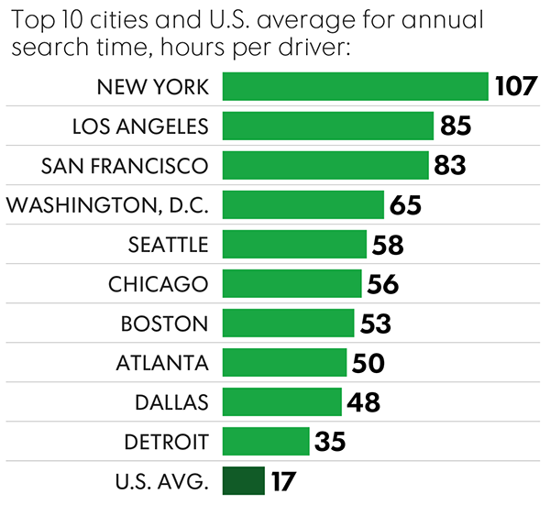
 | Cost (2017 USD/yr) | Time Spent (hr/yr) | Cost to Time Ratio
New York City | 5395 | 107 | 50.4
Los Angeles | 2405 | 85 | 28.3
San Francisco | 2801 | 83 | 33.7
Washington DC | 2170 | 65 | 33.4
Seattle | 1274 | 58 | 22.0
Chicago | 2096 | 56 | 37.4
Boston | 2045 | 53 | 38.6
Atlanta | 872 | 50 | 17.4
Dallas | 723 | 48 | 15.1
Detroit | 815 | 35 | 23.3
U.S. Average | 509 | 17

